ua
 |  |  |  |  |  |  |  |  |  |  |  |  |  |  | 1631 |  | 82,916.00 € |  | 165,832.00 €
Photo | Brand | Gender | Macrocategory | Subcategory | Loc | Season | EAN | Product Code | SKU | Article name | Colour | SIZE | Made In | Material Composition | Qty | Whs | Tot WHS | RRP | Tot RRP
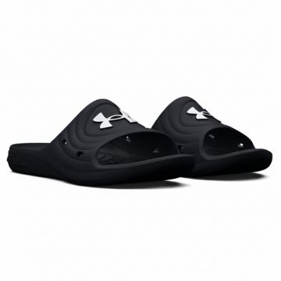 | Under Armour | Men | Shoes | Slippers | 580.00 |  | 0196040972480 | 3027013-001 | 3027013-001-6 | Under Armour Locker Athletic Slides Black | BLACK | 6 | VN | 100% Rubber | 1 | 12.50 € | 12.50 € | 25.00 € | 25.00 €
 | Under Armour | Men | Shoes | Slippers | 580.00 |  | 0196040972497 | 3027013-001 | 3027013-001-7 | Under Armour Locker Athletic Slides Black | BLACK | 7 | VN | 100% Rubber | 2 | 12.50 € | 25.00 € | 25.00 € | 50.00 €
 | Under Armour | Men | Shoes | Slippers | 580.00 |  | 0196040972466 | 3027013-001 | 3027013-001-8 | Under Armour Locker Athletic Slides Black | BLACK | 8 | VN | 100% Rubber | 4 | 12.50 € | 50.00 € | 25.00 € | 100.00 €
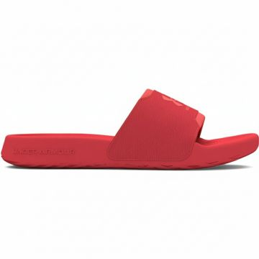 | Under Armour | Women | Shoes | Slippers | 580.00 |  | 0196885531446 | 3027222-600 | 3027222-600-10 | Under Armour Ignite Select Slides Red | Red | 10 | VN | UPPER: 54% Textile,46% Synthetic~OUTSOLE: 80% Rubber,20% EVA | 3 | 14.00 € | 42.00 € | 28.00 € | 84.00 €
 | Under Armour | Women | Shoes | Slippers | 580.00 |  | 0196885531477 | 3027222-600 | 3027222-600-6 | Under Armour Ignite Select Slides Red | Red | 6 | VN | UPPER: 54% Textile,46% Synthetic~OUTSOLE: 80% Rubber,20% EVA | 8 | 14.00 € | 112.00 € | 28.00 € | 224.00 €
 | Under Armour | Women | Shoes | Slippers | 580.00 |  | 0196885531484 | 3027222-600 | 3027222-600-7 | Under Armour Ignite Select Slides Red | Red | 7 | VN | UPPER: 54% Textile,46% Synthetic~OUTSOLE: 80% Rubber,20% EVA | 6 | 14.00 € | 84.00 € | 28.00 € | 168.00 €
 | Under Armour | Women | Shoes | Slippers | 580.00 |  | 0196885531491 | 3027222-600 | 3027222-600-8 | Under Armour Ignite Select Slides Red | Red | 8 | VN | UPPER: 54% Textile,46% Synthetic~OUTSOLE: 80% Rubber,20% EVA | 12 | 14.00 € | 168.00 € | 28.00 € | 336.00 €
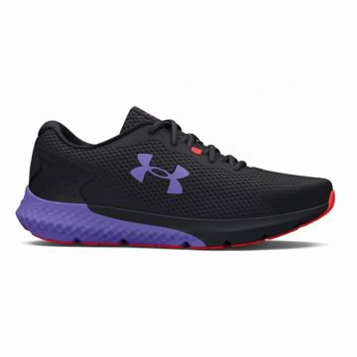 | Under Armour | Women | Shoes | Sneakers | 580.00 |  | 0196884136673 | 3024888-002 | 3024888-002-6 | Under Armour Charged Rogue 3 Women's Running Sneakers Black | BLACK | 6 | AD | UPPER: 54% Textile,46% Synthetic~OUTSOLE: 80% Rubber,20% EVA | 4 | 40.00 € | 160.00 € | 80.00 € | 320.00 €
 | Under Armour | Women | Shoes | Sneakers | 580.00 |  | 0196884136703 | 3024888-002 | 3024888-002-6.5 | Under Armour Charged Rogue 3 Women's Running Sneakers Black | BLACK | 6.5 | AD | UPPER: 54% Textile,46% Synthetic~OUTSOLE: 80% Rubber,20% EVA | 5 | 40.00 € | 200.00 € | 80.00 € | 400.00 €
 | Under Armour | Women | Shoes | Sneakers | 580.00 |  | 0196884136352 | 3024888-002 | 3024888-002-7 | Under Armour Charged Rogue 3 Women's Running Sneakers Black | BLACK | 7 | AD | UPPER: 54% Textile,46% Synthetic~OUTSOLE: 80% Rubber,20% EVA | 8 | 40.00 € | 320.00 € | 80.00 € | 640.00 €
 | Under Armour | Women | Shoes | Sneakers | 580.00 |  | 0196884136369 | 3024888-002 | 3024888-002-7.5 | Under Armour Charged Rogue 3 Women's Running Sneakers Black | BLACK | 7.5 | AD | UPPER: 54% Textile,46% Synthetic~OUTSOLE: 80% Rubber,20% EVA | 9 | 40.00 € | 360.00 € | 80.00 € | 720.00 €
 | Under Armour | Women | Shoes | Sneakers | 580.00 |  | 0196884136659 | 3024888-002 | 3024888-002-8 | Under Armour Charged Rogue 3 Women's Running Sneakers Black | BLACK | 8 | AD | UPPER: 54% Textile,46% Synthetic~OUTSOLE: 80% Rubber,20% EVA | 6 | 40.00 € | 240.00 € | 80.00 € | 480.00 €
 | Under Armour | Women | Shoes | Sneakers | 580.00 |  | 0196884136642 | 3024888-002 | 3024888-002-8.5 | Under Armour Charged Rogue 3 Women's Running Sneakers Black | BLACK | 8.5 | AD | UPPER: 54% Textile,46% Synthetic~OUTSOLE: 80% Rubber,20% EVA | 7 | 40.00 € | 280.00 € | 80.00 € | 560.00 €
 | Under Armour | Women | Shoes | Sneakers | 580.00 |  | 0196884136390 | 3024888-002 | 3024888-002-9 | Under Armour Charged Rogue 3 Women's Running Sneakers Black | BLACK | 9 | AD | UPPER: 54% Textile,46% Synthetic~OUTSOLE: 80% Rubber,20% EVA | 4 | 40.00 € | 160.00 € | 80.00 € | 320.00 €
 | Under Armour | Women | Shoes | Sneakers | 580.00 |  | 0196884136680 | 3024888-002 | 3024888-002-9.5 | Under Armour Charged Rogue 3 Women's Running Sneakers Black | BLACK | 9.5 | AD | UPPER: 54% Textile,46% Synthetic~OUTSOLE: 80% Rubber,20% EVA | 3 | 40.00 € | 120.00 € | 80.00 € | 240.00 €
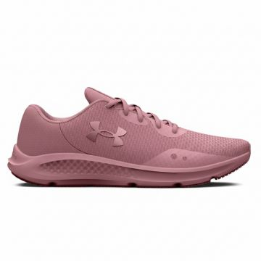 | Under Armour | Women | Shoes | Sneakers | 580.00 |  | 0196040535746 | 3024889-602 | 3024889-602-5.5 | Under Armour Charged Pursuit 3 Women's Sneakers Pink | PINK | 5.5 | ID | UPPER: 86% Textile,14% Synthetic~OUTSOLE: 70% Rubber,30% EVA | 6 | 32.50 € | 195.00 € | 65.00 € | 390.00 €
 | Under Armour | Women | Shoes | Sneakers | 580.00 |  | 0196040535777 | 3024889-602 | 3024889-602-6 | Under Armour Charged Pursuit 3 Women's Sneakers Pink | PINK | 6 | ID | UPPER: 86% Textile,14% Synthetic~OUTSOLE: 70% Rubber,30% EVA | 7 | 32.50 € | 227.50 € | 65.00 € | 455.00 €
 | Under Armour | Women | Shoes | Sneakers | 580.00 |  | 0196040536033 | 3024889-602 | 3024889-602-6.5 | Under Armour Charged Pursuit 3 Women's Sneakers Pink | PINK | 6.5 | ID | UPPER: 86% Textile,14% Synthetic~OUTSOLE: 70% Rubber,30% EVA | 6 | 32.50 € | 195.00 € | 65.00 € | 390.00 €
 | Under Armour | Women | Shoes | Sneakers | 580.00 |  | 0196040535241 | 3024889-602 | 3024889-602-7 | Under Armour Charged Pursuit 3 Women's Sneakers Pink | PINK | 7 | ID | UPPER: 86% Textile,14% Synthetic~OUTSOLE: 70% Rubber,30% EVA | 7 | 32.50 € | 227.50 € | 65.00 € | 455.00 €
 | Under Armour | Women | Shoes | Sneakers | 580.00 |  | 0196040535296 | 3024889-602 | 3024889-602-7.5 | Under Armour Charged Pursuit 3 Women's Sneakers Pink | PINK | 7.5 | ID | UPPER: 86% Textile,14% Synthetic~OUTSOLE: 70% Rubber,30% EVA | 9 | 32.50 € | 292.50 € | 65.00 € | 585.00 €
 | Under Armour | Women | Shoes | Sneakers | 580.00 |  | 0196040535715 | 3024889-602 | 3024889-602-8 | Under Armour Charged Pursuit 3 Women's Sneakers Pink | PINK | 8 | ID | UPPER: 86% Textile,14% Synthetic~OUTSOLE: 70% Rubber,30% EVA | 14 | 32.50 € | 455.00 € | 65.00 € | 910.00 €
 | Under Armour | Women | Shoes | Sneakers | 580.00 |  | 0196040535678 | 3024889-602 | 3024889-602-8.5 | Under Armour Charged Pursuit 3 Women's Sneakers Pink | PINK | 8.5 | ID | UPPER: 86% Textile,14% Synthetic~OUTSOLE: 70% Rubber,30% EVA | 4 | 32.50 € | 130.00 € | 65.00 € | 260.00 €
 | Under Armour | Women | Shoes | Sneakers | 580.00 |  | 0196040535487 | 3024889-602 | 3024889-602-9 | Under Armour Charged Pursuit 3 Women's Sneakers Pink | PINK | 9 | ID | UPPER: 86% Textile,14% Synthetic~OUTSOLE: 70% Rubber,30% EVA | 6 | 32.50 € | 195.00 € | 65.00 € | 390.00 €
 | Under Armour | Women | Shoes | Sneakers | 580.00 |  | 0196040536002 | 3024889-602 | 3024889-602-9.5 | Under Armour Charged Pursuit 3 Women's Sneakers Pink | PINK | 9.5 | ID | UPPER: 86% Textile,14% Synthetic~OUTSOLE: 70% Rubber,30% EVA | 4 | 32.50 € | 130.00 € | 65.00 € | 260.00 €
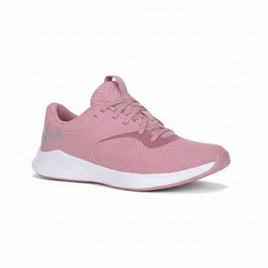 | Under Armour | Women | Shoes | Sneakers | 580.00 |  | 0196040173122 | 3025060-604 | 3025060-604-5.5 | Under Armour Charged Aurora Women's Sneakers Pink | PINK | 5.5 | VN | UPPER: 60% Textile,40% Synthetic~OUTSOLE: 100% Rubber | 12 | 35.00 € | 420.00 € | 70.00 € | 840.00 €
 | Under Armour | Women | Shoes | Sneakers | 580.00 |  | 0196040173399 | 3025060-604 | 3025060-604-6.5 | Under Armour Charged Aurora Women's Sneakers Pink | PINK | 6.5 | VN | UPPER: 60% Textile,40% Synthetic~OUTSOLE: 100% Rubber | 4 | 35.00 € | 140.00 € | 70.00 € | 280.00 €
 | Under Armour | Women | Shoes | Sneakers | 580.00 |  | 0196040172910 | 3025060-604 | 3025060-604-7 | Under Armour Charged Aurora Women's Sneakers Pink | PINK | 7 | VN | UPPER: 60% Textile,40% Synthetic~OUTSOLE: 100% Rubber | 26 | 35.00 € | 910.00 € | 70.00 € | 1,820.00 €
 | Under Armour | Women | Shoes | Sneakers | 580.00 |  | 0196040172927 | 3025060-604 | 3025060-604-7.5 | Under Armour Charged Aurora Women's Sneakers Pink | PINK | 7.5 | VN | UPPER: 60% Textile,40% Synthetic~OUTSOLE: 100% Rubber | 16 | 35.00 € | 560.00 € | 70.00 € | 1,120.00 €
 | Under Armour | Women | Shoes | Sneakers | 580.00 |  | 0196040173108 | 3025060-604 | 3025060-604-8 | Under Armour Charged Aurora Women's Sneakers Pink | PINK | 8 | VN | UPPER: 60% Textile,40% Synthetic~OUTSOLE: 100% Rubber | 22 | 35.00 € | 770.00 € | 70.00 € | 1,540.00 €
 | Under Armour | Women | Shoes | Sneakers | 580.00 |  | 0196040172989 | 3025060-604 | 3025060-604-8.5 | Under Armour Charged Aurora Women's Sneakers Pink | PINK | 8.5 | VN | UPPER: 60% Textile,40% Synthetic~OUTSOLE: 100% Rubber | 22 | 35.00 € | 770.00 € | 70.00 € | 1,540.00 €
 | Under Armour | Women | Shoes | Sneakers | 580.00 |  | 0196040172965 | 3025060-604 | 3025060-604-9 | Under Armour Charged Aurora Women's Sneakers Pink | PINK | 9 | VN | UPPER: 60% Textile,40% Synthetic~OUTSOLE: 100% Rubber | 7 | 35.00 € | 245.00 € | 70.00 € | 490.00 €
 | Under Armour | Women | Shoes | Sneakers | 580.00 |  | 0196040173375 | 3025060-604 | 3025060-604-9.5 | Under Armour Charged Aurora Women's Sneakers Pink | PINK | 9.5 | VN | UPPER: 60% Textile,40% Synthetic~OUTSOLE: 100% Rubber | 8 | 35.00 € | 280.00 € | 70.00 € | 560.00 €
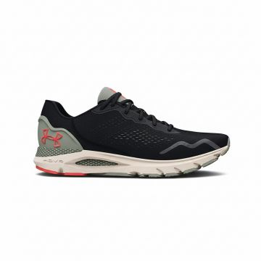 | Under Armour | Men | Shoes | Sneakers | 580.00 |  | 0196883946877 | 3026121-005 | 3026121-005-7.5 | Under Armour HOVR Sonic Running Sneakers Black | BLACK | 7.5 | VN | UPPER: 54% Textile,46% Synthetic~OUTSOLE: 80% Rubber,20% EVA | 6 | 60.00 € | 360.00 € | 120.00 € | 720.00 €
 | Under Armour | Men | Shoes | Sneakers | 580.00 |  | 0196883946471 | 3026121-005 | 3026121-005-8 | Under Armour HOVR Sonic Running Sneakers Black | BLACK | 8 | VN | UPPER: 54% Textile,46% Synthetic~OUTSOLE: 80% Rubber,20% EVA | 4 | 60.00 € | 240.00 € | 120.00 € | 480.00 €
 | Under Armour | Men | Shoes | Sneakers | 580.00 |  | 0196883946860 | 3026121-005 | 3026121-005-8.5 | Under Armour HOVR Sonic Running Sneakers Black | BLACK | 8.5 | VN | UPPER: 54% Textile,46% Synthetic~OUTSOLE: 80% Rubber,20% EVA | 6 | 60.00 € | 360.00 € | 120.00 € | 720.00 €
 | Under Armour | Men | Shoes | Sneakers | 580.00 |  | 0196883946846 | 3026121-005 | 3026121-005-9 | Under Armour HOVR Sonic Running Sneakers Black | BLACK | 9 | VN | UPPER: 54% Textile,46% Synthetic~OUTSOLE: 80% Rubber,20% EVA | 8 | 60.00 € | 480.00 € | 120.00 € | 960.00 €
 | Under Armour | Men | Shoes | Sneakers | 580.00 |  | 0196883946488 | 3026121-005 | 3026121-005-9.5 | Under Armour HOVR Sonic Running Sneakers Black | BLACK | 9.5 | VN | UPPER: 54% Textile,46% Synthetic~OUTSOLE: 80% Rubber,20% EVA | 6 | 60.00 € | 360.00 € | 120.00 € | 720.00 €
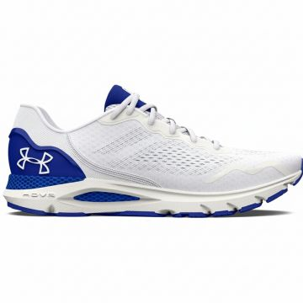 | Under Armour | Men | Shoes | Sneakers | 580.00 |  | 0196883947638 | 3026121-104 | 3026121-104-10 | Under Armour HOVR Sonic Running Sneakers White | WHITE | 10 | VN | UPPER: 88% Textile,12% Synthetic~OUTSOLE: 100% Rubber | 18 | 60.00 € | 1,080.00 € | 120.00 € | 2,160.00 €
 | Under Armour | Men | Shoes | Sneakers | 580.00 |  | 0196883947621 | 3026121-104 | 3026121-104-10.5 | Under Armour HOVR Sonic Running Sneakers White | WHITE | 10.5 | VN | UPPER: 88% Textile,12% Synthetic~OUTSOLE: 100% Rubber | 7 | 60.00 € | 420.00 € | 120.00 € | 840.00 €
 | Under Armour | Men | Shoes | Sneakers | 580.00 |  | 0196883947652 | 3026121-104 | 3026121-104-8 | Under Armour HOVR Sonic Running Sneakers White | WHITE | 8 | VN | UPPER: 88% Textile,12% Synthetic~OUTSOLE: 100% Rubber | 9 | 60.00 € | 540.00 € | 120.00 € | 1,080.00 €
 | Under Armour | Men | Shoes | Sneakers | 580.00 |  | 0196883947744 | 3026121-104 | 3026121-104-8.5 | Under Armour HOVR Sonic Running Sneakers White | WHITE | 8.5 | VN | UPPER: 88% Textile,12% Synthetic~OUTSOLE: 100% Rubber | 9 | 60.00 € | 540.00 € | 120.00 € | 1,080.00 €
 | Under Armour | Men | Shoes | Sneakers | 580.00 |  | 0196883947720 | 3026121-104 | 3026121-104-9 | Under Armour HOVR Sonic Running Sneakers White | WHITE | 9 | VN | UPPER: 88% Textile,12% Synthetic~OUTSOLE: 100% Rubber | 9 | 60.00 € | 540.00 € | 120.00 € | 1,080.00 €
 | Under Armour | Men | Shoes | Sneakers | 580.00 |  | 0196883947669 | 3026121-104 | 3026121-104-9.5 | Under Armour HOVR Sonic Running Sneakers White | WHITE | 9.5 | VN | UPPER: 88% Textile,12% Synthetic~OUTSOLE: 100% Rubber | 13 | 60.00 € | 780.00 € | 120.00 € | 1,560.00 €
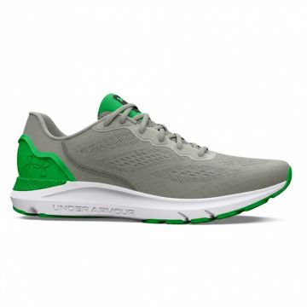 | Under Armour | Men | Shoes | Sneakers | 580.00 |  | 0196883948215 | 3026121-300 | 3026121-300-10 | Under Armour HOVR Sonic Running Sneakers Green | Green | 10 | VN | UPPER: 88% Textile,12% Synthetic~OUTSOLE: 100% Rubber | 15 | 60.00 € | 900.00 € | 120.00 € | 1,800.00 €
 | Under Armour | Men | Shoes | Sneakers | 580.00 |  | 0196883948321 | 3026121-300 | 3026121-300-8.5 | Under Armour HOVR Sonic Running Sneakers Green | Green | 8.5 | VN | UPPER: 88% Textile,12% Synthetic~OUTSOLE: 100% Rubber | 8 | 60.00 € | 480.00 € | 120.00 € | 960.00 €
 | Under Armour | Men | Shoes | Sneakers | 580.00 |  | 0196883948307 | 3026121-300 | 3026121-300-9 | Under Armour HOVR Sonic Running Sneakers Green | Green | 9 | VN | UPPER: 88% Textile,12% Synthetic~OUTSOLE: 100% Rubber | 13 | 60.00 € | 780.00 € | 120.00 € | 1,560.00 €
 | Under Armour | Men | Shoes | Sneakers | 580.00 |  | 0196883948246 | 3026121-300 | 3026121-300-9.5 | Under Armour HOVR Sonic Running Sneakers Green | Green | 9.5 | VN | UPPER: 88% Textile,12% Synthetic~OUTSOLE: 100% Rubber | 13 | 60.00 € | 780.00 € | 120.00 € | 1,560.00 €
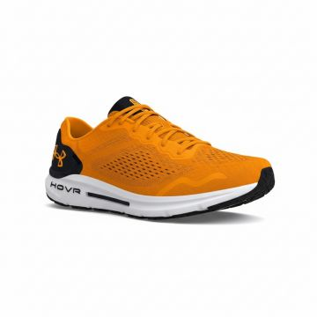 | Under Armour | Men | Shoes | Sneakers | 580.00 |  | 0196883948390 | 3026121-802 | 3026121-802-10 | Under Armour HOVR Sonic 6 Orange Running Sneakers | Orange | 10 | VN | UPPER: 88% Textile,12% Synthetic~OUTSOLE: 100% Rubber | 17 | 60.00 € | 1,020.00 € | 120.00 € | 2,040.00 €
 | Under Armour | Men | Shoes | Sneakers | 580.00 |  | 0196883949106 | 3026121-802 | 3026121-802-8.5 | Under Armour HOVR Sonic 6 Orange Running Sneakers | Orange | 8.5 | VN | UPPER: 88% Textile,12% Synthetic~OUTSOLE: 100% Rubber | 8 | 60.00 € | 480.00 € | 120.00 € | 960.00 €
 | Under Armour | Men | Shoes | Sneakers | 580.00 |  | 0196883949083 | 3026121-802 | 3026121-802-9 | Under Armour HOVR Sonic 6 Orange Running Sneakers | Orange | 9 | VN | UPPER: 88% Textile,12% Synthetic~OUTSOLE: 100% Rubber | 3 | 60.00 € | 180.00 € | 120.00 € | 360.00 €
 | Under Armour | Men | Shoes | Sneakers | 580.00 |  | 0196883949021 | 3026121-802 | 3026121-802-9.5 | Under Armour HOVR Sonic 6 Orange Running Sneakers | Orange | 9.5 | VN | UPPER: 88% Textile,12% Synthetic~OUTSOLE: 100% Rubber | 9 | 60.00 € | 540.00 € | 120.00 € | 1,080.00 €
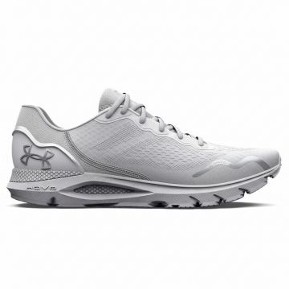 | Under Armour | Women | Shoes | Sneakers | 580.00 |  | 0196040275024 | 3026128-101 | 3026128-101-8 | Under Armour HOVR Sonic 6 Running Sneakers White | WHITE | 8 | VN | UPPER: 54% Textile,46% Synthetic~OUTSOLE: 80% Rubber,20% EVA | 5 | 60.00 € | 300.00 € | 120.00 € | 600.00 €
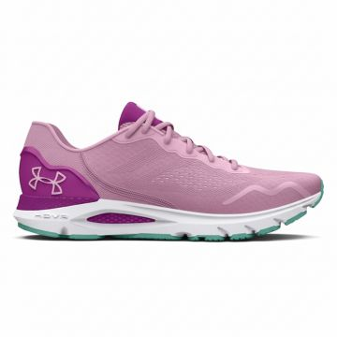 | Under Armour | Women | Shoes | Sneakers | 580.00 |  | 0196883949755 | 3026128-603 | 3026128-603-6.5 | Under Armour HOVR Sonic 6 Running Shoes Pink | PINK | 6.5 | VN | UPPER: 87% Textile,13% Synthetic~OUTSOLE: 100% Rubber | 6 | 60.00 € | 360.00 € | 120.00 € | 720.00 €
 | Under Armour | Women | Shoes | Sneakers | 580.00 |  | 0196883949670 | 3026128-603 | 3026128-603-7 | Under Armour HOVR Sonic 6 Running Shoes Pink | PINK | 7 | VN | UPPER: 87% Textile,13% Synthetic~OUTSOLE: 100% Rubber | 8 | 60.00 € | 480.00 € | 120.00 € | 960.00 €
 | Under Armour | Women | Shoes | Sneakers | 580.00 |  | 0196883949663 | 3026128-603 | 3026128-603-7.5 | Under Armour HOVR Sonic 6 Running Shoes Pink | PINK | 7.5 | VN | UPPER: 87% Textile,13% Synthetic~OUTSOLE: 100% Rubber | 13 | 60.00 € | 780.00 € | 120.00 € | 1,560.00 €
 | Under Armour | Women | Shoes | Sneakers | 580.00 |  | 0196883949748 | 3026128-603 | 3026128-603-8 | Under Armour HOVR Sonic 6 Running Shoes Pink | PINK | 8 | VN | UPPER: 87% Textile,13% Synthetic~OUTSOLE: 100% Rubber | 15 | 60.00 € | 900.00 € | 120.00 € | 1,800.00 €
 | Under Armour | Women | Shoes | Sneakers | 580.00 |  | 0196883949779 | 3026128-603 | 3026128-603-8.5 | Under Armour HOVR Sonic 6 Running Shoes Pink | PINK | 8.5 | VN | UPPER: 87% Textile,13% Synthetic~OUTSOLE: 100% Rubber | 17 | 60.00 € | 1,020.00 € | 120.00 € | 2,040.00 €
 | Under Armour | Women | Shoes | Sneakers | 580.00 |  | 0196883949786 | 3026128-603 | 3026128-603-9 | Under Armour HOVR Sonic 6 Running Shoes Pink | PINK | 9 | VN | UPPER: 87% Textile,13% Synthetic~OUTSOLE: 100% Rubber | 9 | 60.00 € | 540.00 € | 120.00 € | 1,080.00 €
 | Under Armour | Women | Shoes | Sneakers | 580.00 |  | 0196883949687 | 3026128-603 | 3026128-603-9.5 | Under Armour HOVR Sonic 6 Running Shoes Pink | PINK | 9.5 | VN | UPPER: 87% Textile,13% Synthetic~OUTSOLE: 100% Rubber | 9 | 60.00 € | 540.00 € | 120.00 € | 1,080.00 €
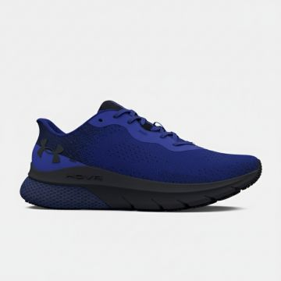 | Under Armour | Men | Shoes | Sneakers | 580.00 |  | 0196883955305 | 3026520-400 | 3026520-400-10 | Under Armour HOVR Turbulence Running Sneakers Blue | Blue | 10 | ID | UPPER: 76% Textile,24% Synthetic~OUTSOLE: 100% Rubber | 16 | 50.00 € | 800.00 € | 100.00 € | 1,600.00 €
 | Under Armour | Men | Shoes | Sneakers | 580.00 |  | 0196883955312 | 3026520-400 | 3026520-400-10.5 | Under Armour HOVR Turbulence Running Sneakers Blue | Blue | 10.5 | ID | UPPER: 76% Textile,24% Synthetic~OUTSOLE: 100% Rubber | 8 | 50.00 € | 400.00 € | 100.00 € | 800.00 €
 | Under Armour | Men | Shoes | Sneakers | 580.00 |  | 0196883955336 | 3026520-400 | 3026520-400-8 | Under Armour HOVR Turbulence Running Sneakers Blue | Blue | 8 | ID | UPPER: 76% Textile,24% Synthetic~OUTSOLE: 100% Rubber | 15 | 50.00 € | 750.00 € | 100.00 € | 1,500.00 €
 | Under Armour | Men | Shoes | Sneakers | 580.00 |  | 0196883955404 | 3026520-400 | 3026520-400-8.5 | Under Armour HOVR Turbulence Running Sneakers Blue | Blue | 8.5 | ID | UPPER: 76% Textile,24% Synthetic~OUTSOLE: 100% Rubber | 20 | 50.00 € | 1,000.00 € | 100.00 € | 2,000.00 €
 | Under Armour | Men | Shoes | Sneakers | 580.00 |  | 0196883955411 | 3026520-400 | 3026520-400-9 | Under Armour HOVR Turbulence Running Sneakers Blue | Blue | 9 | ID | UPPER: 76% Textile,24% Synthetic~OUTSOLE: 100% Rubber | 22 | 50.00 € | 1,100.00 € | 100.00 € | 2,200.00 €
 | Under Armour | Men | Shoes | Sneakers | 580.00 |  | 0196883955275 | 3026520-400 | 3026520-400-9.5 | Under Armour HOVR Turbulence Running Sneakers Blue | Blue | 9.5 | ID | UPPER: 76% Textile,24% Synthetic~OUTSOLE: 100% Rubber | 33 | 50.00 € | 1,650.00 € | 100.00 € | 3,300.00 €
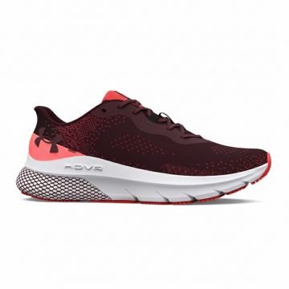 | Under Armour | Men | Shoes | Sneakers | 580.00 |  | 0196883954551 | 3026520-600 | 3026520-600-10 | Under Armour HOVR Turbulence Running Sneakers Red | Red | 10 | ID | UPPER: 76% Textile,24% Synthetic~OUTSOLE: 100% Rubber | 6 | 50.00 € | 300.00 € | 100.00 € | 600.00 €
 | Under Armour | Men | Shoes | Sneakers | 580.00 |  | 0196883954643 | 3026520-600 | 3026520-600-7 | Under Armour HOVR Turbulence Running Sneakers Red | Red | 7 | ID | UPPER: 76% Textile,24% Synthetic~OUTSOLE: 100% Rubber | 5 | 50.00 € | 250.00 € | 100.00 € | 500.00 €
 | Under Armour | Men | Shoes | Sneakers | 580.00 |  | 0196883954582 | 3026520-600 | 3026520-600-8 | Under Armour HOVR Turbulence Running Sneakers Red | Red | 8 | ID | UPPER: 76% Textile,24% Synthetic~OUTSOLE: 100% Rubber | 14 | 50.00 € | 700.00 € | 100.00 € | 1,400.00 €
 | Under Armour | Men | Shoes | Sneakers | 580.00 |  | 0196883954650 | 3026520-600 | 3026520-600-8.5 | Under Armour HOVR Turbulence Running Sneakers Red | Red | 8.5 | ID | UPPER: 76% Textile,24% Synthetic~OUTSOLE: 100% Rubber | 14 | 50.00 € | 700.00 € | 100.00 € | 1,400.00 €
 | Under Armour | Men | Shoes | Sneakers | 580.00 |  | 0196883954667 | 3026520-600 | 3026520-600-9 | Under Armour HOVR Turbulence Running Sneakers Red | Red | 9 | ID | UPPER: 76% Textile,24% Synthetic~OUTSOLE: 100% Rubber | 10 | 50.00 € | 500.00 € | 100.00 € | 1,000.00 €
 | Under Armour | Men | Shoes | Sneakers | 580.00 |  | 0196883954520 | 3026520-600 | 3026520-600-9.5 | Under Armour HOVR Turbulence Running Sneakers Red | Red | 9.5 | ID | UPPER: 76% Textile,24% Synthetic~OUTSOLE: 100% Rubber | 10 | 50.00 € | 500.00 € | 100.00 € | 1,000.00 €
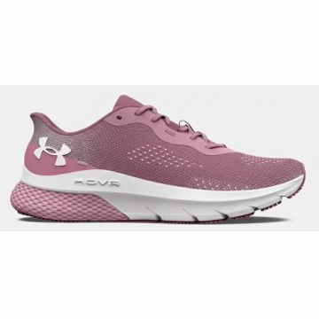 | Under Armour | Women | Shoes | Sneakers | 580.00 |  | 0196883945528 | 3026525-600 | 3026525-600-6 | Under Armour HOVR Turbulence 2 Pink | Multicolour | 6 | ID | UPPER: 76% Textile,24% Synthetic~OUTSOLE: 100% Rubber | 15 | 50.00 € | 750.00 € | 100.00 € | 1,500.00 €
 | Under Armour | Women | Shoes | Sneakers | 580.00 |  | 0196883945580 | 3026525-600 | 3026525-600-6.5 | Under Armour HOVR Turbulence 2 Pink | Multicolour | 6.5 | ID | UPPER: 76% Textile,24% Synthetic~OUTSOLE: 100% Rubber | 26 | 50.00 € | 1,300.00 € | 100.00 € | 2,600.00 €
 | Under Armour | Women | Shoes | Sneakers | 580.00 |  | 0196883945504 | 3026525-600 | 3026525-600-7 | Under Armour HOVR Turbulence 2 Pink | Multicolour | 7 | ID | UPPER: 76% Textile,24% Synthetic~OUTSOLE: 100% Rubber | 27 | 50.00 € | 1,350.00 € | 100.00 € | 2,700.00 €
 | Under Armour | Women | Shoes | Sneakers | 580.00 |  | 0196883945498 | 3026525-600 | 3026525-600-7.5 | Under Armour HOVR Turbulence 2 Pink | Multicolour | 7.5 | ID | UPPER: 76% Textile,24% Synthetic~OUTSOLE: 100% Rubber | 13 | 50.00 € | 650.00 € | 100.00 € | 1,300.00 €
 | Under Armour | Women | Shoes | Sneakers | 580.00 |  | 0196883945573 | 3026525-600 | 3026525-600-8 | Under Armour HOVR Turbulence 2 Pink | Multicolour | 8 | ID | UPPER: 76% Textile,24% Synthetic~OUTSOLE: 100% Rubber | 22 | 50.00 € | 1,100.00 € | 100.00 € | 2,200.00 €
 | Under Armour | Women | Shoes | Sneakers | 580.00 |  | 0196883945603 | 3026525-600 | 3026525-600-8.5 | Under Armour HOVR Turbulence 2 Pink | Multicolour | 8.5 | ID | UPPER: 76% Textile,24% Synthetic~OUTSOLE: 100% Rubber | 19 | 50.00 € | 950.00 € | 100.00 € | 1,900.00 €
 | Under Armour | Women | Shoes | Sneakers | 580.00 |  | 0196883945610 | 3026525-600 | 3026525-600-9 | Under Armour HOVR Turbulence 2 Pink | Multicolour | 9 | ID | UPPER: 76% Textile,24% Synthetic~OUTSOLE: 100% Rubber | 16 | 50.00 € | 800.00 € | 100.00 € | 1,600.00 €
 | Under Armour | Women | Shoes | Sneakers | 580.00 |  | 0196883945511 | 3026525-600 | 3026525-600-9.5 | Under Armour HOVR Turbulence 2 Pink | Multicolour | 9.5 | ID | UPPER: 76% Textile,24% Synthetic~OUTSOLE: 100% Rubber | 7 | 50.00 € | 350.00 € | 100.00 € | 700.00 €
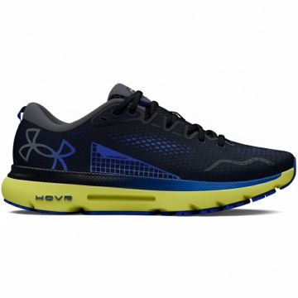 | Under Armour | Men | Shoes | Sneakers | 580.00 |  | 0196883952557 | 3026545-005 | 3026545-005-10 | Under Armour HOVR Infinite Running Sneakers Navy | Multicolour | 10 | VN | UPPER: 98% Textile,2% Synthetic~OUTSOLE: 100% Rubber | 2 | 65.00 € | 130.00 € | 130.00 € | 260.00 €
 | Under Armour | Men | Shoes | Sneakers | 580.00 |  | 0196883952847 | 3026545-005 | 3026545-005-7 | Under Armour HOVR Infinite Running Sneakers Navy | Multicolour | 7 | VN | UPPER: 98% Textile,2% Synthetic~OUTSOLE: 100% Rubber | 3 | 65.00 € | 195.00 € | 130.00 € | 390.00 €
 | Under Armour | Men | Shoes | Sneakers | 580.00 |  | 0196883952830 | 3026545-005 | 3026545-005-7.5 | Under Armour HOVR Infinite Running Sneakers Navy | Multicolour | 7.5 | VN | UPPER: 98% Textile,2% Synthetic~OUTSOLE: 100% Rubber | 3 | 65.00 € | 195.00 € | 130.00 € | 390.00 €
 | Under Armour | Men | Shoes | Sneakers | 580.00 |  | 0196883952588 | 3026545-005 | 3026545-005-8 | Under Armour HOVR Infinite Running Sneakers Navy | Multicolour | 8 | VN | UPPER: 98% Textile,2% Synthetic~OUTSOLE: 100% Rubber | 3 | 65.00 € | 195.00 € | 130.00 € | 390.00 €
 | Under Armour | Men | Shoes | Sneakers | 580.00 |  | 0196883952854 | 3026545-005 | 3026545-005-8.5 | Under Armour HOVR Infinite Running Sneakers Navy | Multicolour | 8.5 | VN | UPPER: 98% Textile,2% Synthetic~OUTSOLE: 100% Rubber | 4 | 65.00 € | 260.00 € | 130.00 € | 520.00 €
 | Under Armour | Men | Shoes | Sneakers | 580.00 |  | 0196883952861 | 3026545-005 | 3026545-005-9 | Under Armour HOVR Infinite Running Sneakers Navy | Multicolour | 9 | VN | UPPER: 98% Textile,2% Synthetic~OUTSOLE: 100% Rubber | 4 | 65.00 € | 260.00 € | 130.00 € | 520.00 €
 | Under Armour | Men | Shoes | Sneakers | 580.00 |  | 0196883952526 | 3026545-005 | 3026545-005-9.5 | Under Armour HOVR Infinite Running Sneakers Navy | Multicolour | 9.5 | VN | UPPER: 98% Textile,2% Synthetic~OUTSOLE: 100% Rubber | 3 | 65.00 € | 195.00 € | 130.00 € | 390.00 €
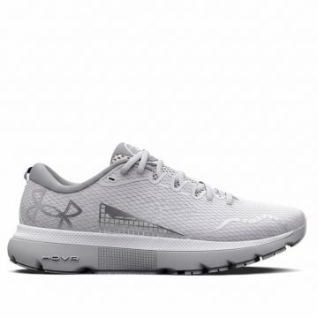 | Under Armour | Men | Shoes | Sneakers | 580.00 |  | 0196883210206 | 3026545-101 | 3026545-101-10 | Under Armour HOVR Infinite Running Sneakers White | WHITE | 10 | VN | UPPER: 98% Textile,2% Synthetic~OUTSOLE: 100% Rubber | 5 | 65.00 € | 325.00 € | 130.00 € | 650.00 €
 | Under Armour | Men | Shoes | Sneakers | 580.00 |  | 0196883210213 | 3026545-101 | 3026545-101-10.5 | Under Armour HOVR Infinite Running Sneakers White | WHITE | 10.5 | VN | UPPER: 98% Textile,2% Synthetic~OUTSOLE: 100% Rubber | 5 | 65.00 € | 325.00 € | 130.00 € | 650.00 €
 | Under Armour | Men | Shoes | Sneakers | 580.00 |  | 0196883210237 | 3026545-101 | 3026545-101-8 | Under Armour HOVR Infinite Running Sneakers White | WHITE | 8 | VN | UPPER: 98% Textile,2% Synthetic~OUTSOLE: 100% Rubber | 8 | 65.00 € | 520.00 € | 130.00 € | 1,040.00 €
 | Under Armour | Men | Shoes | Sneakers | 580.00 |  | 0196883210305 | 3026545-101 | 3026545-101-8.5 | Under Armour HOVR Infinite Running Sneakers White | WHITE | 8.5 | VN | UPPER: 98% Textile,2% Synthetic~OUTSOLE: 100% Rubber | 7 | 65.00 € | 455.00 € | 130.00 € | 910.00 €
 | Under Armour | Men | Shoes | Sneakers | 580.00 |  | 0196883210312 | 3026545-101 | 3026545-101-9 | Under Armour HOVR Infinite Running Sneakers White | WHITE | 9 | VN | UPPER: 98% Textile,2% Synthetic~OUTSOLE: 100% Rubber | 18 | 65.00 € | 1,170.00 € | 130.00 € | 2,340.00 €
 | Under Armour | Men | Shoes | Sneakers | 580.00 |  | 0196883210176 | 3026545-101 | 3026545-101-9.5 | Under Armour HOVR Infinite Running Sneakers White | WHITE | 9.5 | VN | UPPER: 98% Textile,2% Synthetic~OUTSOLE: 100% Rubber | 10 | 65.00 € | 650.00 € | 130.00 € | 1,300.00 €
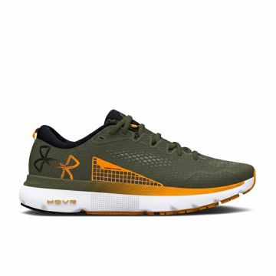 | Under Armour | Men | Shoes | Sneakers | 580.00 |  | 0196883950034 | 3026545-302 | 3026545-302-10 | Under Armour HOVR Infinite Running Sneakers Green | Green | 10 | VN | UPPER: 98% Textile,2% Synthetic~OUTSOLE: 100% Rubber | 14 | 65.00 € | 910.00 € | 130.00 € | 1,820.00 €
 | Under Armour | Men | Shoes | Sneakers | 580.00 |  | 0196883950065 | 3026545-302 | 3026545-302-8 | Under Armour HOVR Infinite Running Sneakers Green | Green | 8 | VN | UPPER: 98% Textile,2% Synthetic~OUTSOLE: 100% Rubber | 8 | 65.00 € | 520.00 € | 130.00 € | 1,040.00 €
 | Under Armour | Men | Shoes | Sneakers | 580.00 |  | 0196883950133 | 3026545-302 | 3026545-302-8.5 | Under Armour HOVR Infinite Running Sneakers Green | Green | 8.5 | VN | UPPER: 98% Textile,2% Synthetic~OUTSOLE: 100% Rubber | 9 | 65.00 € | 585.00 € | 130.00 € | 1,170.00 €
 | Under Armour | Men | Shoes | Sneakers | 580.00 |  | 0196883950003 | 3026545-302 | 3026545-302-9.5 | Under Armour HOVR Infinite Running Sneakers Green | Green | 9.5 | VN | UPPER: 98% Textile,2% Synthetic~OUTSOLE: 100% Rubber | 8 | 65.00 € | 520.00 € | 130.00 € | 1,040.00 €
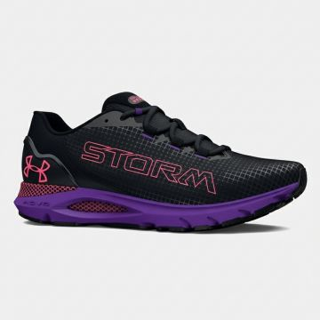 | Under Armour | Men | Shoes | Sneakers | 580.00 |  | 0196883136209 | 3026548-001 | 3026548-001-10 | Under Armour HOVR Storm Running Sneakers Purple | Multicolour | 10 | VN | UPPER: 100% Textile~OUTSOLE: 100% Rubber | 8 | 65.00 € | 520.00 € | 130.00 € | 1,040.00 €
 | Under Armour | Men | Shoes | Sneakers | 580.00 |  | 0196883136230 | 3026548-001 | 3026548-001-8 | Under Armour HOVR Storm Running Sneakers Purple | Multicolour | 8 | VN | UPPER: 100% Textile~OUTSOLE: 100% Rubber | 8 | 65.00 € | 520.00 € | 130.00 € | 1,040.00 €
 | Under Armour | Men | Shoes | Sneakers | 580.00 |  | 0196883136308 | 3026548-001 | 3026548-001-8.5 | Under Armour HOVR Storm Running Sneakers Purple | Multicolour | 8.5 | VN | UPPER: 100% Textile~OUTSOLE: 100% Rubber | 8 | 65.00 € | 520.00 € | 130.00 € | 1,040.00 €
 | Under Armour | Men | Shoes | Sneakers | 580.00 |  | 0196883136315 | 3026548-001 | 3026548-001-9 | Under Armour HOVR Storm Running Sneakers Purple | Multicolour | 9 | VN | UPPER: 100% Textile~OUTSOLE: 100% Rubber | 8 | 65.00 € | 520.00 € | 130.00 € | 1,040.00 €
 | Under Armour | Men | Shoes | Sneakers | 580.00 |  | 0196883136179 | 3026548-001 | 3026548-001-9.5 | Under Armour HOVR Storm Running Sneakers Purple | Multicolour | 9.5 | VN | UPPER: 100% Textile~OUTSOLE: 100% Rubber | 8 | 65.00 € | 520.00 € | 130.00 € | 1,040.00 €
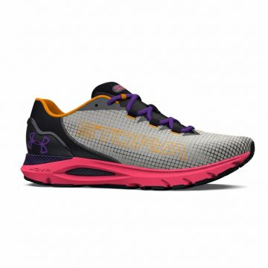 | Under Armour | Men | Shoes | Sneakers | 580.00 |  | 0196883954131 | 3026548-300 | 3026548-300-10 | Under Armour HOVR Sonic Storm Running Shoes Gray | Green | 10 | VN | UPPER: 100% Textile~OUTSOLE: 100% Rubber | 8 | 65.00 € | 520.00 € | 130.00 € | 1,040.00 €
 | Under Armour | Men | Shoes | Sneakers | 580.00 |  | 0196883954162 | 3026548-300 | 3026548-300-8 | Under Armour HOVR Sonic Storm Running Shoes Gray | Green | 8 | VN | UPPER: 100% Textile~OUTSOLE: 100% Rubber | 7 | 65.00 € | 455.00 € | 130.00 € | 910.00 €
 | Under Armour | Men | Shoes | Sneakers | 580.00 |  | 0196883954230 | 3026548-300 | 3026548-300-8.5 | Under Armour HOVR Sonic Storm Running Shoes Gray | Green | 8.5 | VN | UPPER: 100% Textile~OUTSOLE: 100% Rubber | 8 | 65.00 € | 520.00 € | 130.00 € | 1,040.00 €
 | Under Armour | Men | Shoes | Sneakers | 580.00 |  | 0196883954247 | 3026548-300 | 3026548-300-9 | Under Armour HOVR Sonic Storm Running Shoes Gray | Green | 9 | VN | UPPER: 100% Textile~OUTSOLE: 100% Rubber | 8 | 65.00 € | 520.00 € | 130.00 € | 1,040.00 €
 | Under Armour | Men | Shoes | Sneakers | 580.00 |  | 0196883954100 | 3026548-300 | 3026548-300-9.5 | Under Armour HOVR Sonic Storm Running Shoes Gray | Green | 9.5 | VN | UPPER: 100% Textile~OUTSOLE: 100% Rubber | 8 | 65.00 € | 520.00 € | 130.00 € | 1,040.00 €
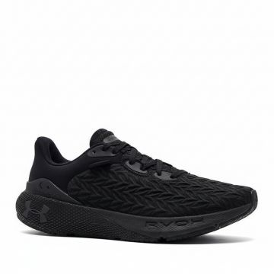 | Under Armour | Men | Shoes | Sneakers | 580.00 |  | 0196883952021 | 3026729-001 | 3026729-001-10 | Under Armour HOVR Machina Running Shoes Black | BLACK | 10 | VN | UPPER: 92% Textile,8% Synthetic~OUTSOLE: 70% Rubber,30% EVA | 4 | 80.00 € | 320.00 € | 160.00 € | 640.00 €
 | Under Armour | Men | Shoes | Sneakers | 580.00 |  | 0196883952205 | 3026729-001 | 3026729-001-7.5 | Under Armour HOVR Machina Running Shoes Black | BLACK | 7.5 | VN | UPPER: 92% Textile,8% Synthetic~OUTSOLE: 70% Rubber,30% EVA | 4 | 80.00 € | 320.00 € | 160.00 € | 640.00 €
 | Under Armour | Men | Shoes | Sneakers | 580.00 |  | 0196883952052 | 3026729-001 | 3026729-001-8 | Under Armour HOVR Machina Running Shoes Black | BLACK | 8 | VN | UPPER: 92% Textile,8% Synthetic~OUTSOLE: 70% Rubber,30% EVA | 15 | 80.00 € | 1,200.00 € | 160.00 € | 2,400.00 €
 | Under Armour | Men | Shoes | Sneakers | 580.00 |  | 0196883952229 | 3026729-001 | 3026729-001-8.5 | Under Armour HOVR Machina Running Shoes Black | BLACK | 8.5 | VN | UPPER: 92% Textile,8% Synthetic~OUTSOLE: 70% Rubber,30% EVA | 20 | 80.00 € | 1,600.00 € | 160.00 € | 3,200.00 €
 | Under Armour | Men | Shoes | Sneakers | 580.00 |  | 0196883952236 | 3026729-001 | 3026729-001-9 | Under Armour HOVR Machina Running Shoes Black | BLACK | 9 | VN | UPPER: 92% Textile,8% Synthetic~OUTSOLE: 70% Rubber,30% EVA | 36 | 80.00 € | 2,880.00 € | 160.00 € | 5,760.00 €
 | Under Armour | Men | Shoes | Sneakers | 580.00 |  | 0196883951994 | 3026729-001 | 3026729-001-9.5 | Under Armour HOVR Machina Running Shoes Black | BLACK | 9.5 | VN | UPPER: 92% Textile,8% Synthetic~OUTSOLE: 70% Rubber,30% EVA | 12 | 80.00 € | 960.00 € | 160.00 € | 1,920.00 €
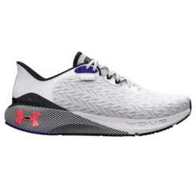 | Under Armour | Men | Shoes | Sneakers | 580.00 |  | 0196884054526 | 3026729-101 | 3026729-101-10 | Under Armour HOVR Machina Clone Running Shoes White | Multicolour | 10 | VN | UPPER: 92% Textile,8% Synthetic~OUTSOLE: 70% Rubber,30% EVA | 6 | 80.00 € | 480.00 € | 160.00 € | 960.00 €
 | Under Armour | Men | Shoes | Sneakers | 580.00 |  | 0196884054939 | 3026729-101 | 3026729-101-9 | Under Armour HOVR Machina Clone Running Shoes White | Multicolour | 9 | VN | UPPER: 92% Textile,8% Synthetic~OUTSOLE: 70% Rubber,30% EVA | 9 | 80.00 € | 720.00 € | 160.00 € | 1,440.00 €
 | Under Armour | Men | Shoes | Sneakers | 580.00 |  | 0196884053598 | 3026729-101 | 3026729-101-9.5 | Under Armour HOVR Machina Clone Running Shoes White | Multicolour | 9.5 | VN | UPPER: 92% Textile,8% Synthetic~OUTSOLE: 70% Rubber,30% EVA | 11 | 80.00 € | 880.00 € | 160.00 € | 1,760.00 €
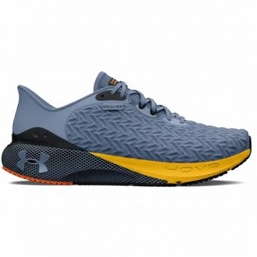 | Under Armour | Men | Shoes | Sneakers | 580.00 |  | 0196883975730 | 3026729-302 | 3026729-302-10 | Under Armour HOVR Machina 3 Running Sneakers Blue | Blue | 10 | VN | UPPER: 92% Textile,8% Synthetic~OUTSOLE: 70% Rubber,30% EVA | 6 | 80.00 € | 480.00 € | 160.00 € | 960.00 €
 | Under Armour | Men | Shoes | Sneakers | 580.00 |  | 0196883976034 | 3026729-302 | 3026729-302-9 | Under Armour HOVR Machina 3 Running Sneakers Blue | Blue | 9 | VN | UPPER: 92% Textile,8% Synthetic~OUTSOLE: 70% Rubber,30% EVA | 5 | 80.00 € | 400.00 € | 160.00 € | 800.00 €
 | Under Armour | Men | Shoes | Sneakers | 580.00 |  | 0196883975648 | 3026729-302 | 3026729-302-9.5 | Under Armour HOVR Machina 3 Running Sneakers Blue | Blue | 9.5 | VN | UPPER: 92% Textile,8% Synthetic~OUTSOLE: 70% Rubber,30% EVA | 5 | 80.00 € | 400.00 € | 160.00 € | 800.00 €
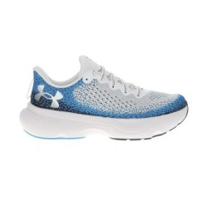 | Under Armour | Men | Shoes | Sneakers | 580.00 |  | 0197779098793 | 3027523-108 | 3027523-108-10 | Under Armour Infinite Running Sneakers White Blue | White Blue | 10 | VN | UPPER: 54% Textile,46% Synthetic~OUTSOLE: 80% Rubber,20% EVA | 1 | 50.00 € | 50.00 € | 100.00 € | 100.00 €
 | Under Armour | Men | Shoes | Sneakers | 580.00 |  | 0197779099004 | 3027523-108 | 3027523-108-10.5 | Under Armour Infinite Running Sneakers White Blue | White Blue | 10.5 | VN | UPPER: 54% Textile,46% Synthetic~OUTSOLE: 80% Rubber,20% EVA | 2 | 50.00 € | 100.00 € | 100.00 € | 200.00 €
 | Under Armour | Men | Shoes | Sneakers | 580.00 |  | 0197779099028 | 3027523-108 | 3027523-108-11.5 | Under Armour Infinite Running Sneakers White Blue | White Blue | 11.5 | VN | UPPER: 54% Textile,46% Synthetic~OUTSOLE: 80% Rubber,20% EVA | 2 | 50.00 € | 100.00 € | 100.00 € | 200.00 €
 | Under Armour | Men | Shoes | Sneakers | 580.00 |  | 0197779099301 | 3027523-108 | 3027523-108-8 | Under Armour Infinite Running Sneakers White Blue | White Blue | 8 | VN | UPPER: 54% Textile,46% Synthetic~OUTSOLE: 80% Rubber,20% EVA | 1 | 50.00 € | 50.00 € | 100.00 € | 100.00 €
 | Under Armour | Men | Shoes | Sneakers | 580.00 |  | 0197779099349 | 3027523-108 | 3027523-108-9 | Under Armour Infinite Running Sneakers White Blue | White Blue | 9 | VN | UPPER: 54% Textile,46% Synthetic~OUTSOLE: 80% Rubber,20% EVA | 1 | 50.00 € | 50.00 € | 100.00 € | 100.00 €
 | Under Armour | Men | Shoes | Sneakers | 580.00 |  | 0197779099363 | 3027523-108 | 3027523-108-9.5 | Under Armour Infinite Running Sneakers White Blue | White Blue | 9.5 | VN | UPPER: 54% Textile,46% Synthetic~OUTSOLE: 80% Rubber,20% EVA | 1 | 50.00 € | 50.00 € | 100.00 € | 100.00 €
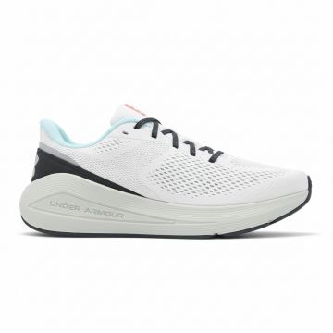 | Under Armour | Men | Shoes | Sneakers | 580.00 |  | 0197778876095 | 3028002-103 | 3028002-103-10.5 | Under Armour Sonic 7 Running Sneakers White | WHITE | 10.5 | VN | UPPER: 54% Textile,46% Synthetic~OUTSOLE: 80% Rubber,20% EVA | 6 | 60.00 € | 360.00 € | 120.00 € | 720.00 €
 | Under Armour | Men | Shoes | Sneakers | 580.00 |  | 0197778876200 | 3028002-103 | 3028002-103-11 | Under Armour Sonic 7 Running Sneakers White | WHITE | 11 | VN | UPPER: 54% Textile,46% Synthetic~OUTSOLE: 80% Rubber,20% EVA | 5 | 60.00 € | 300.00 € | 120.00 € | 600.00 €
 | Under Armour | Men | Shoes | Sneakers | 580.00 |  | 0197778876224 | 3028002-103 | 3028002-103-12 | Under Armour Sonic 7 Running Sneakers White | WHITE | 12 | VN | UPPER: 54% Textile,46% Synthetic~OUTSOLE: 80% Rubber,20% EVA | 3 | 60.00 € | 180.00 € | 120.00 € | 360.00 €
 | Under Armour | Men | Shoes | Sneakers | 580.00 |  | 0197778876361 | 3028002-103 | 3028002-103-8 | Under Armour Sonic 7 Running Sneakers White | WHITE | 8 | VN | UPPER: 54% Textile,46% Synthetic~OUTSOLE: 80% Rubber,20% EVA | 1 | 60.00 € | 60.00 € | 120.00 € | 120.00 €
 | Under Armour | Men | Shoes | Sneakers | 580.00 |  | 0197778876385 | 3028002-103 | 3028002-103-9 | Under Armour Sonic 7 Running Sneakers White | WHITE | 9 | VN | UPPER: 54% Textile,46% Synthetic~OUTSOLE: 80% Rubber,20% EVA | 9 | 60.00 € | 540.00 € | 120.00 € | 1,080.00 €
 | Under Armour | Men | Shoes | Sneakers | 580.00 |  | 0197778876392 | 3028002-103 | 3028002-103-9.5 | Under Armour Sonic 7 Running Sneakers White | WHITE | 9.5 | VN | UPPER: 54% Textile,46% Synthetic~OUTSOLE: 80% Rubber,20% EVA | 3 | 60.00 € | 180.00 € | 120.00 € | 360.00 €
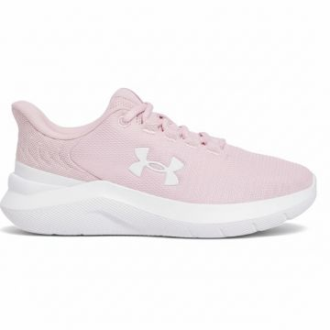 | Under Armour | Women | Shoes | Sneakers | 580.00 |  | 0197778988309 | 3028259-647 | 3028259-647-10 | Under Armour Phade Women's Running Sneakers Pink | PINK | 10 | ID | UPPER: 54% Textile,46% Synthetic~OUTSOLE: 80% Rubber,20% EVA | 2 | 27.50 € | 55.00 € | 55.00 € | 110.00 €
 | Under Armour | Women | Shoes | Sneakers | 580.00 |  | 0197778988361 | 3028259-647 | 3028259-647-6 | Under Armour Phade Women's Running Sneakers Pink | PINK | 6 | ID | UPPER: 54% Textile,46% Synthetic~OUTSOLE: 80% Rubber,20% EVA | 11 | 27.50 € | 302.50 € | 55.00 € | 605.00 €
 | Under Armour | Women | Shoes | Sneakers | 580.00 |  | 0197778988378 | 3028259-647 | 3028259-647-6.5 | Under Armour Phade Women's Running Sneakers Pink | PINK | 6.5 | ID | UPPER: 54% Textile,46% Synthetic~OUTSOLE: 80% Rubber,20% EVA | 15 | 27.50 € | 412.50 € | 55.00 € | 825.00 €
 | Under Armour | Women | Shoes | Sneakers | 580.00 |  | 0197778988385 | 3028259-647 | 3028259-647-7 | Under Armour Phade Women's Running Sneakers Pink | PINK | 7 | ID | UPPER: 54% Textile,46% Synthetic~OUTSOLE: 80% Rubber,20% EVA | 24 | 27.50 € | 660.00 € | 55.00 € | 1,320.00 €
 | Under Armour | Women | Shoes | Sneakers | 580.00 |  | 0197778988392 | 3028259-647 | 3028259-647-7.5 | Under Armour Phade Women's Running Sneakers Pink | PINK | 7.5 | ID | UPPER: 54% Textile,46% Synthetic~OUTSOLE: 80% Rubber,20% EVA | 23 | 27.50 € | 632.50 € | 55.00 € | 1,265.00 €
 | Under Armour | Women | Shoes | Sneakers | 580.00 |  | 0197778988408 | 3028259-647 | 3028259-647-8 | Under Armour Phade Women's Running Sneakers Pink | PINK | 8 | ID | UPPER: 54% Textile,46% Synthetic~OUTSOLE: 80% Rubber,20% EVA | 30 | 27.50 € | 825.00 € | 55.00 € | 1,650.00 €
 | Under Armour | Women | Shoes | Sneakers | 580.00 |  | 0197778988415 | 3028259-647 | 3028259-647-8.5 | Under Armour Phade Women's Running Sneakers Pink | PINK | 8.5 | ID | UPPER: 54% Textile,46% Synthetic~OUTSOLE: 80% Rubber,20% EVA | 18 | 27.50 € | 495.00 € | 55.00 € | 990.00 €
 | Under Armour | Women | Shoes | Sneakers | 580.00 |  | 0197778988422 | 3028259-647 | 3028259-647-9 | Under Armour Phade Women's Running Sneakers Pink | PINK | 9 | ID | UPPER: 54% Textile,46% Synthetic~OUTSOLE: 80% Rubber,20% EVA | 16 | 27.50 € | 440.00 € | 55.00 € | 880.00 €
 | Under Armour | Women | Shoes | Sneakers | 580.00 |  | 0197778988439 | 3028259-647 | 3028259-647-9.5 | Under Armour Phade Women's Running Sneakers Pink | PINK | 9.5 | ID | UPPER: 54% Textile,46% Synthetic~OUTSOLE: 80% Rubber,20% EVA | 19 | 27.50 € | 522.50 € | 55.00 € | 1,045.00 €
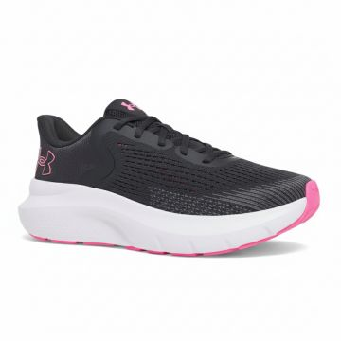 | Under Armour | Women | Shoes | Sneakers | 580.00 |  | 0197779162654 | 3028262-016 | 3028262-016-5 | Under Armour Charged Rogue Running Sneakers Black | BLACK | 5 | VN | UPPER: 54% Textile,46% Synthetic~OUTSOLE: 80% Rubber,20% EVA | 1 | 42.50 € | 42.50 € | 85.00 € | 85.00 €
 | Under Armour | Women | Shoes | Sneakers | 580.00 |  | 0197779162692 | 3028262-016 | 3028262-016-6 | Under Armour Charged Rogue Running Sneakers Black | BLACK | 6 | VN | UPPER: 54% Textile,46% Synthetic~OUTSOLE: 80% Rubber,20% EVA | 7 | 42.50 € | 297.50 € | 85.00 € | 595.00 €
 | Under Armour | Women | Shoes | Sneakers | 580.00 |  | 0197779162715 | 3028262-016 | 3028262-016-6.5 | Under Armour Charged Rogue Running Sneakers Black | BLACK | 6.5 | VN | UPPER: 54% Textile,46% Synthetic~OUTSOLE: 80% Rubber,20% EVA | 5 | 42.50 € | 212.50 € | 85.00 € | 425.00 €
 | Under Armour | Women | Shoes | Sneakers | 580.00 |  | 0197779162722 | 3028262-016 | 3028262-016-7 | Under Armour Charged Rogue Running Sneakers Black | BLACK | 7 | VN | UPPER: 54% Textile,46% Synthetic~OUTSOLE: 80% Rubber,20% EVA | 5 | 42.50 € | 212.50 € | 85.00 € | 425.00 €
 | Under Armour | Women | Shoes | Sneakers | 580.00 |  | 0197779162739 | 3028262-016 | 3028262-016-7.5 | Under Armour Charged Rogue Running Sneakers Black | BLACK | 7.5 | VN | UPPER: 54% Textile,46% Synthetic~OUTSOLE: 80% Rubber,20% EVA | 3 | 42.50 € | 127.50 € | 85.00 € | 255.00 €
 | Under Armour | Women | Shoes | Sneakers | 580.00 |  | 0197779162753 | 3028262-016 | 3028262-016-8.5 | Under Armour Charged Rogue Running Sneakers Black | BLACK | 8.5 | VN | UPPER: 54% Textile,46% Synthetic~OUTSOLE: 80% Rubber,20% EVA | 3 | 42.50 € | 127.50 € | 85.00 € | 255.00 €
 | Under Armour | Women | Shoes | Sneakers | 580.00 |  | 0197779162760 | 3028262-016 | 3028262-016-9 | Under Armour Charged Rogue Running Sneakers Black | BLACK | 9 | VN | UPPER: 54% Textile,46% Synthetic~OUTSOLE: 80% Rubber,20% EVA | 4 | 42.50 € | 170.00 € | 85.00 € | 340.00 €
 | Under Armour | Women | Shoes | Sneakers | 580.00 |  | 0197779162777 | 3028262-016 | 3028262-016-9.5 | Under Armour Charged Rogue Running Sneakers Black | BLACK | 9.5 | VN | UPPER: 54% Textile,46% Synthetic~OUTSOLE: 80% Rubber,20% EVA | 4 | 42.50 € | 170.00 € | 85.00 € | 340.00 €
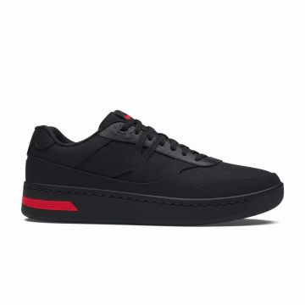 | Under Armour | Men | Shoes | Sneakers | 580.00 |  | 0197777658760 | 3028633-001 | 3028633-001-10 | Under Armour Court 96 Sneakers Black | BLACK | 10 | ID | UPPER: 54% Textile,46% Synthetic~OUTSOLE: 80% Rubber,20% EVA | 20 | 50.00 € | 1,000.00 € | 100.00 € | 2,000.00 €
 | Under Armour | Men | Shoes | Sneakers | 580.00 |  | 0197777658777 | 3028633-001 | 3028633-001-10.5 | Under Armour Court 96 Sneakers Black | BLACK | 10.5 | ID | UPPER: 54% Textile,46% Synthetic~OUTSOLE: 80% Rubber,20% EVA | 3 | 50.00 € | 150.00 € | 100.00 € | 300.00 €
 | Under Armour | Men | Shoes | Sneakers | 580.00 |  | 0197777658906 | 3028633-001 | 3028633-001-12 | Under Armour Court 96 Sneakers Black | BLACK | 12 | ID | UPPER: 54% Textile,46% Synthetic~OUTSOLE: 80% Rubber,20% EVA | 7 | 50.00 € | 350.00 € | 100.00 € | 700.00 €
 | Under Armour | Men | Shoes | Sneakers | 580.00 |  | 0197777658715 | 3028633-001 | 3028633-001-8 | Under Armour Court 96 Sneakers Black | BLACK | 8 | ID | UPPER: 54% Textile,46% Synthetic~OUTSOLE: 80% Rubber,20% EVA | 9 | 50.00 € | 450.00 € | 100.00 € | 900.00 €
 | Under Armour | Men | Shoes | Sneakers | 580.00 |  | 0197777658722 | 3028633-001 | 3028633-001-8.5 | Under Armour Court 96 Sneakers Black | BLACK | 8.5 | ID | UPPER: 54% Textile,46% Synthetic~OUTSOLE: 80% Rubber,20% EVA | 16 | 50.00 € | 800.00 € | 100.00 € | 1,600.00 €
 | Under Armour | Men | Shoes | Sneakers | 580.00 |  | 0197777658739 | 3028633-001 | 3028633-001-9 | Under Armour Court 96 Sneakers Black | BLACK | 9 | ID | UPPER: 54% Textile,46% Synthetic~OUTSOLE: 80% Rubber,20% EVA | 8 | 50.00 € | 400.00 € | 100.00 € | 800.00 €
 | Under Armour | Men | Shoes | Sneakers | 580.00 |  | 0197777658753 | 3028633-001 | 3028633-001-9.5 | Under Armour Court 96 Sneakers Black | BLACK | 9.5 | ID | UPPER: 54% Textile,46% Synthetic~OUTSOLE: 80% Rubber,20% EVA | 32 | 50.00 € | 1,600.00 € | 100.00 € | 3,200.00 €
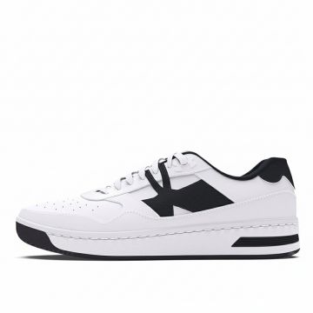 | Under Armour | Men | Shoes | Sneakers | 580.00 |  | 0197777673121 | 3028633-101 | 3028633-101-10 | Under Armour Court 96 Basketball Sneakers White Black | White Black | 10 | ID | UPPER: 54% Textile,46% Synthetic~OUTSOLE: 80% Rubber,20% EVA | 28 | 50.00 € | 1,400.00 € | 100.00 € | 2,800.00 €
 | Under Armour | Men | Shoes | Sneakers | 580.00 |  | 0197777673138 | 3028633-101 | 3028633-101-10.5 | Under Armour Court 96 Basketball Sneakers White Black | White Black | 10.5 | ID | UPPER: 54% Textile,46% Synthetic~OUTSOLE: 80% Rubber,20% EVA | 5 | 50.00 € | 250.00 € | 100.00 € | 500.00 €
 | Under Armour | Men | Shoes | Sneakers | 580.00 |  | 0197777673152 | 3028633-101 | 3028633-101-11.5 | Under Armour Court 96 Basketball Sneakers White Black | White Black | 11.5 | ID | UPPER: 54% Textile,46% Synthetic~OUTSOLE: 80% Rubber,20% EVA | 7 | 50.00 € | 350.00 € | 100.00 € | 700.00 €
 | Under Armour | Men | Shoes | Sneakers | 580.00 |  | 0197777673169 | 3028633-101 | 3028633-101-12 | Under Armour Court 96 Basketball Sneakers White Black | White Black | 12 | ID | UPPER: 54% Textile,46% Synthetic~OUTSOLE: 80% Rubber,20% EVA | 14 | 50.00 € | 700.00 € | 100.00 € | 1,400.00 €
 | Under Armour | Men | Shoes | Sneakers | 580.00 |  | 0197777672971 | 3028633-101 | 3028633-101-7.5 | Under Armour Court 96 Basketball Sneakers White Black | White Black | 7.5 | ID | UPPER: 54% Textile,46% Synthetic~OUTSOLE: 80% Rubber,20% EVA | 6 | 50.00 € | 300.00 € | 100.00 € | 600.00 €
 | Under Armour | Men | Shoes | Sneakers | 580.00 |  | 0197777672988 | 3028633-101 | 3028633-101-8 | Under Armour Court 96 Basketball Sneakers White Black | White Black | 8 | ID | UPPER: 54% Textile,46% Synthetic~OUTSOLE: 80% Rubber,20% EVA | 15 | 50.00 € | 750.00 € | 100.00 € | 1,500.00 €
 | Under Armour | Men | Shoes | Sneakers | 580.00 |  | 0197777672995 | 3028633-101 | 3028633-101-8.5 | Under Armour Court 96 Basketball Sneakers White Black | White Black | 8.5 | ID | UPPER: 54% Textile,46% Synthetic~OUTSOLE: 80% Rubber,20% EVA | 16 | 50.00 € | 800.00 € | 100.00 € | 1,600.00 €
 | Under Armour | Men | Shoes | Sneakers | 580.00 |  | 0197777673107 | 3028633-101 | 3028633-101-9 | Under Armour Court 96 Basketball Sneakers White Black | White Black | 9 | ID | UPPER: 54% Textile,46% Synthetic~OUTSOLE: 80% Rubber,20% EVA | 23 | 50.00 € | 1,150.00 € | 100.00 € | 2,300.00 €
 | Under Armour | Men | Shoes | Sneakers | 580.00 |  | 0197777673114 | 3028633-101 | 3028633-101-9.5 | Under Armour Court 96 Basketball Sneakers White Black | White Black | 9.5 | ID | UPPER: 54% Textile,46% Synthetic~OUTSOLE: 80% Rubber,20% EVA | 28 | 50.00 € | 1,400.00 € | 100.00 € | 2,800.00 €

